Sheet1
ID | Summary | Description | Steps to reproduce | Severity | Priority | Attachment | Status
A1 | A11y Linked image "YouTube" in the header missing alternative text. | When users with disabilities want to find YouTube link, it will be hard to do due to abcense of the alternative text. Actual result: Linked image missing alternative text. Expected result: Linked image have alternative text. Conformance implications: Web Content Accessibility Guidelines (WCAG) 2.1 requirements: 1.1.1 Non-text Content (Level A) 2.4.4 Link Purpose (In Context) (Level A) Environment: Google Chrome Version 102.0.5005.115 (Official Build) (64-bit) Additional Info: Edit code from <img src="/upload/medialibrary/d72/youtube.svg"> to <img src="/upload/medialibrary/d72/youtube.svg" alt="YouTube"> | 1. Open the website https://iteen.by/ in the browser. 2. Install WAVE Evaluation Tool. 3. Turn on WAVE Evaluation Tool. 4. Analyze the page. | High | ASAP | 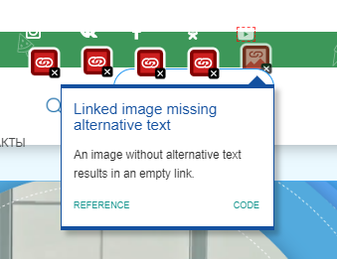
A2 | A11y There is a very low contrast in the card "1 класс" (link "только у нас"). | When users with disabilities want to know more information in the card "1 класс" through finding the link "только у нас", it will be hard to do due to a very low contrast between text and background colors. Actual result: The link "только у нас" has a very low contrast between text and background colors. Expected result: The link "только у нас" has a very low contrast between text and background colors. Conformance implications: Web Content Accessibility Guidelines (WCAG) 2.1 requirements: 1.3.1 Info and Relationships (Level A) Environment: Google Chrome Version 102.0.5005.115 (Official Build) (64-bit) Additional Info: - | 1. Open the website https://iteen.by/ in the browser. 2. Install WAVE Evaluation Tool. 3. Turn on WAVE Evaluation Tool. 4. Analyze the page. | Critical | ASAP | 